Overview + Volume Variable 1
1. Lab Mnemonic | 2. Lab Route | 3. Lab Name (DBA) | 4. Island | 5. Lab Users | 6. Communication | 7. Volume of Testing (Month August) | 8. YTD Volume Testing
AIT | LRP | AIT Laboratories, Inc. | Oahu | 1 Lab User | N/A | 2 | 2
AMM | LRP | Ala Moana Honolulu by Mantra | Oahu (Travel) | 5 Lab Users | GOOD, POC is responsive | 9 | 9
ARC | LRP | Arcadia Retirement Residence | Oahu (Assisted Living) | 9 Lab Users | N/A | 23 | 23
DLS | LRP | Broad Institute |  |  |  | 15 | 15
CDX | LRP | Capture Diagnostics | Oahu | 2 Lab Users | GOOD, Responsive | 986 | 986
DLS | LRP |  |  |  |  |  | 0
DLS | LRP | DLS |  |  |  |  | 0
EHH | LRP | East Hawaii Health, a Department of Kau Hospital | Big Island (Neighbor island) | 33 Lab Users | GOOD, Quick to respond | 148 | 148
ESH | LRP | Ka'u Rural Health Clinic | Big Island (Health Clinic) | Unknown Lab Users | GOOD, very responsive | 7 | 7
FMP | LRP | 5 Minute Pharmacy Ala Moana LLC | Oahu (Pharmacy) | 12 Lab Users | N/A | 6 | 6
DKL | LRP |  |  |  |  | 6 | 6
Health Quest | LRP |  |  |  |  |  | 0
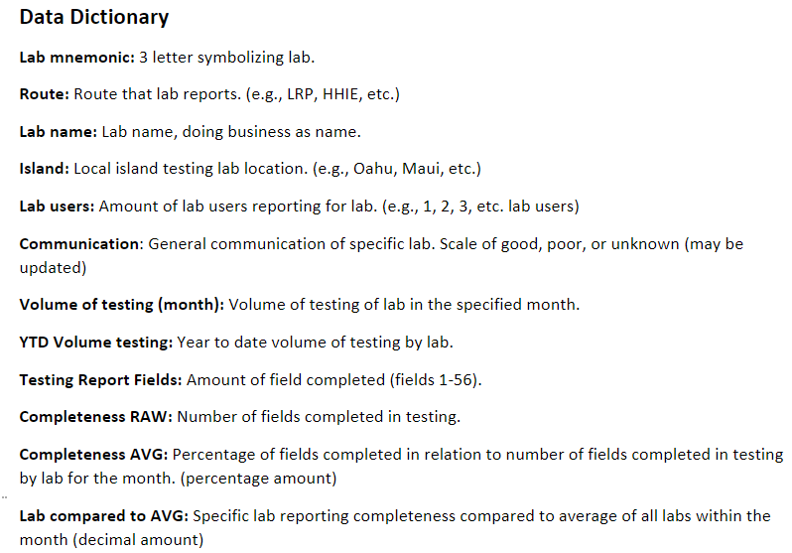
HKN | LRP | Hawaii Keiki School Nursing | Oahu (Schools) | 99 Lab Users | GOOD, POC quick to respond, and strongly receptive to feedback | 552 | 552
HMA | LRP | Hale Mohalu | Oahu (Care home and national park services) | 2 Lab Users | N/A | 1 | 1
HSH | LRP | Kalaupapa Care Home | Molokai (Care Home) | Unknown Lab Users | N/A | 3 | 3
HSH | LRP | Hawaii State Hospital | Oahu (State Run Hospital) | 4 Lab Users | N/A | 236 | 236
IOL | LRP | Iolani Schools | Oahu (Private School) | 10 Lab Users | GOOD, very responsive | 2 | 2
KRC | LRP | HHSC Kauai Region Clinics Urgent Care Poipu | Kauai (Neighbor island) | 5 Lab Users | N/A | 1 | 1
KTA | LRP | KTA Puainako Pharmacy | Big Island (Neighbor island) | 1 Lab User | GOOD, Responsive | 46 | 46
KWM | LRP | Kaui War Memorial | Kauai (Neighbor island) | 1 Lab User | Unknown, no contact with an POC for an extended time | 1,464 | 1464
FIS | LRP |  |  |  |  |  | 0
MPS | LRP | Maui Pharmacy Solutions LLC dba Mauliola Pharmacy | Maui (Neighbor island) | 1 Lab User | GOOD, 2 POCs both quick to respond, receptive to feedback | 603 | 603
MSS | LRP | Mary, Star of the Sea School | Oahu (Private School) | 1 Lab User | GOOD, Responsive | 10 | 10
POI | LRP | Poipu MD, LLC | Kauai (Urgent care) | 1 Lab User | ***WILL FOLLOW UP | 162 | 162
PMC | LRP |  |  |  |  | 129 | 129
SMM | LRP | Samuel Mahelona Memorial Hospital | Big Island (Hospital) | 1 Lab User | N/A | 10 | 10
VIK | LRP | Vikor Scientific |  | 1 Lab User | N/A | 1 | 1
WPC | LRP | Waimea Primary Care | Big Island (Primary Care) | 1 Lab User | N/A | 368 | 368
WQC | LRP | Waikiki PCR | Oahu (Travel Testing Center) | 1 Lab User | GOOD, POC is quick to respond, very receptive to feedback | 4,091 | 4091

Completeness Variable 2
9. Lab Mnemonic + Route | 10. Volume of Testing Repeat (Current Month) | 11. Completeness Start: Patient Last Name | Patient First Name | Patient Middle Name | Patient Suffix | Patient Birth Date | Patient Sex | Patient ID | Patient Race | Patient Ethnicity | Patient Street Address | Patient City | Patient State | Patient Zip Code | Patient County | Patient Phone Number | Patient Email | Specimen Collection Date | Specimen Received Date | Accession Number | Specimen Source | Specimen Snomed Code | Test Result Date | Test Name | Test Loinc | Result Description or Value | Result Snomed Code | BLANK Testing Lab Name | Testing Lab Clia | Testing Lab Street Address | Testing Lab City | Testing Lab State | Testing Lab Zip Code | Testing Lab Phone Number | Ordering Provider Last Name | Ordering Provider First Name | Ordering Provider Street Address | Ordering Provider City | Ordering Provider State | Ordering Provider Zip Code | Ordering Provider Phone Number | Ordering Facility Name | Ordering Facility Street Address | Ordering Facility City | Ordering Facility State | Ordering Facility Zip Code | Ordering Facility Phone Number | Patient First Covid Test | Patient Employed In Healthcare | Patient Symptom Onset Date | Patient Symptomatic as Defined by CDC | Patient Hospitalized | Patient in ICU | Patient Pregnant | Patient Resident in a Congregate Care Setting | Patient Age at Time of Collection (Years) | Device Identifier Info | Travel Test | 12. Completeness RAW | 13. Completeness AVG (Change title) | 14. OVR Lab AVG | 14. Lab compared to AVG | Fields most likely to be blank (top 10) | Fields Completeness | Lab | Percentage | Top 5 Labs likely to be least complete
AIT (LRP) | 2 | 2 | 2 | 0 | 0 | 2 | 2 | 2 | 2 | 2 | 2 | 2 | 2 | 2 | 2 | 2 | 0 | 2 | 2 | 2 | 2 | 0 | 2 | 2 | 2 | 2 | 2 |  | 2 | 2 | 2 | 2 | 2 | 2 | 2 | 2 | 2 | 2 | 2 | 2 | 2 | 2 | 2 | 2 | 2 | 2 | 2 | 2 | 2 | 1 | 2 | 2 | 2 | 2 | 2 | 2 | 2 | 2 | 103 | 92% | #REF! | #REF! | BLANK Testing Lab Name | 0 | KWM (LRP) | 0.55357142857 | KWM (LRP)
AMM (LRP) | 9 | 9 | 9 | 6 | 0 | 9 | 9 | 9 | 9 | 9 | 9 | 9 | 9 | 9 | 8 | 9 | 9 | 9 | 9 | 9 | 9 | 0 | 9 | 9 | 9 | 9 | 0 |  | 9 | 9 | 9 | 9 | 9 | 9 | 9 | 9 | 9 | 9 | 9 | 9 | 9 | 9 | 9 | 9 | 9 | 9 | 9 | 0 | 0 | 0 | 0 | 0 | 0 | 0 | 0 | 9 | 9 | 0 | 392 | 78% | #REF! | #REF! | Patient Suffix | 5 | MPS (LRP) | 0.63468372424 | MPS (LRP)
ARC (LRP) | 23 | 23 | 23 | 0 | 0 | 23 | 23 | 0 | 23 | 23 | 23 | 23 | 23 | 23 | 23 | 23 | 0 |  | 23 | 23 | 23 | 0 | 23 | 23 | 23 | 23 | 0 |  | 23 | 23 | 23 | 23 | 23 | 23 | 23 | 23 | 23 | 23 | 23 | 23 | 23 | 23 | 23 | 23 | 23 | 23 | 23 | 23 | 23 | 18 | 23 | 23 | 23 | 23 | 23 | 23 | 23 | 0 | 1099 | 85% | #REF! | #REF! | Patient Middle Name | 220 | EHH (LRP) | 0.67869208494 | EHH (LRP)
BRI (LRP) | 15 | 15 | 15 | 9 | 0 | 15 | 15 | 15 | 15 | 15 | 15 | 15 | 15 | 15 | 0 | 15 | 15 | 15 | 15 | 15 | 15 | 15 | 15 | 15 | 15 | 15 | 15 |  | 15 | 15 | 15 | 15 | 0 | 15 | 15 | 15 | 15 | 15 | 15 | 0 | 15 | 0 | 15 | 15 | 15 | 0 | 0 | 15 | 15 | 0 | 15 | 15 | 15 | 15 | 15 | 15 | 15 | 0 | 699 | 83% | #REF! | #REF! | Patient ID | 1921 | MSS (LRP) | 0.73571428571 | MSS (LRP)
CDX (LRP) | 986 | 986 | 986 | 17 | 0 | 986 | 986 | 986 | 986 | 986 | 149 | 131 | 134 | 154 | 23 | 975 | 986 | 986 | 986 | 986 | 986 | 986 | 986 | 986 | 986 | 986 | 986 |  | 986 | 986 | 986 | 986 | 986 | 986 | 986 | 986 | 986 | 986 | 986 | 986 | 986 | 986 | 986 | 986 | 986 | 986 | 986 | 986 | 986 | 0 | 986 | 986 | 986 | 986 | 986 | 986 | 986 | 0 | 46939 | 85% | #REF! | #REF! | Patient City | 2698 | IOL (LRP) | 0.76785714286 | IOL (LRP)
 | 0 |  |  |  |  |  |  |  |  |  |  |  |  |  |  |  |  |  |  |  |  |  |  |  |  |  |  |  |  |  |  |  |  |  |  |  |  |  |  |  |  |  |  |  |  |  |  |  |  |  |  |  |  |  |  |  |  |  | 0 | #DIV/0! | #REF! | #DIV/0! | Patient State | 2707 | Viktor Scientific (LRP) | 0.76785714286
DLS (LRP) | 0 |  |  |  |  |  |  |  |  |  |  |  |  |  |  |  |  |  |  |  |  |  |  |  |  |  |  |  |  |  |  |  |  |  |  |  |  |  |  |  |  |  |  |  |  |  |  |  |  |  |  |  |  |  |  |  |  |  | 0 | #DIV/0! | #REF! | #DIV/0! | Patient Street Address | 2715 | AMM (LRP) | 0.77777777778
EHH (LRP) | 148 | 148 | 148 | 23 | 1 | 148 | 148 | 13 | 148 | 148 | 30 | 30 | 30 | 30 | 23 | 27 | 0 | 148 | 58 | 148 | 148 | 0 | 148 | 147 | 147 | 148 | 148 |  | 148 | 148 | 148 | 148 | 148 | 148 | 147 | 147 | 147 | 147 | 147 | 147 | 147 | 147 | 147 | 147 | 147 | 147 | 147 | 25 | 25 | 20 | 23 | 25 | 25 | 25 | 25 | 148 | 147 | 3 | 5625 | 68% | #REF! | #REF! | Patient Zip Code | 2726 | HKN (LRP) | 0.79393115942
ESH (LRP) | 7 | 7 | 7 | 3 | 0 | 7 | 7 | 7 | 7 | 7 | 7 | 7 | 7 | 7 | 7 | 7 | 0 | 7 | 7 | 7 | 7 | 0 | 7 | 7 | 7 | 7 | 0 |  | 7 | 7 | 7 | 7 | 7 | 7 | 7 | 7 | 7 | 7 | 7 | 7 | 7 | 7 | 7 | 7 | 7 | 7 | 7 | 7 | 7 | 7 | 7 | 7 | 7 | 7 | 7 | 7 | 7 | 0 | 353 | 90% | #REF! | #REF! | Travel Test | 4456 | KTA (LRP) | 0.80201863354
FMP (LRP) | 6 | 6 | 6 | 0 | 0 | 6 | 6 | 0 | 6 | 6 | 6 | 6 | 6 | 6 | 6 | 6 | 6 | 6 | 6 | 6 | 6 | 0 | 6 | 6 | 6 | 6 | 0 |  | 6 | 6 | 6 | 6 | 6 | 6 | 6 | 6 | 6 | 6 | 6 | 6 | 6 | 6 | 6 | 6 | 6 | 6 | 6 | 6 | 6 | 0 | 6 | 6 | 6 | 6 | 5 | 6 | 6 | 0 | 293 | 87% | #REF! | #REF! | Patient Symptom Onset Date | 4881 | BRI (LRP) | 0.83214285714
HDOHK (LRP) | 6 | 6 | 6 | 0 | 0 | 6 | 6 | 0 | 6 | 6 | 6 | 6 | 6 | 6 | 6 | 6 | 6 | 6 | 6 | 6 | 6 | 6 | 6 | 6 | 6 | 6 | 6 |  | 6 | 6 | 6 | 6 | 6 | 6 | 6 | 6 | 6 | 6 | 6 | 6 | 6 | 6 | 6 | 6 | 6 | 6 | 6 | 6 | 6 | 0 | 6 | 6 | 6 | 6 | 6 | 6 | 6 | 6 | 312 | 93% | #REF! | #REF! | Specimen Snomed Code | 5565 | WPC (LRP) | 0.83807259317
 | 0 |  |  |  |  |  |  |  |  |  |  |  |  |  |  |  |  |  |  |  |  |  |  |  |  |  |  |  |  |  |  |  |  |  |  |  |  |  |  |  |  |  |  |  |  |  |  |  |  |  |  |  |  |  |  |  |  |  | 0 | #DIV/0! | #REF! | #DIV/0! | Result Snomed Code | 5706 | HMA (LRP) | 0.83928571429
HKN (LRP) | 552 | 552 | 552 | 22 | 3 | 552 | 552 | 68 | 552 | 552 | 304 | 305 | 305 | 306 | 279 | 246 | 87 | 552 | 294 | 552 | 552 | 0 | 552 | 545 | 545 | 545 | 0 |  | 552 | 552 | 552 | 552 | 552 | 552 | 540 | 540 | 540 | 540 | 540 | 540 | 540 | 539 | 539 | 539 | 539 | 539 | 539 | 539 | 461 | 469 | 369 | 461 | 461 | 449 | 451 | 552 | 545 | 85 | 24542 | 79% | #REF! | #REF! | Patient Email | 5935 | CDX (LRP) | 0.85009779774
HMA (LRP) | 1 | 1 | 1 | 0 | 0 | 1 | 1 | 0 | 1 | 1 | 1 | 1 | 1 | 1 | 1 | 1 | 0 | 1 | 1 | 1 | 1 | 0 | 1 | 1 | 1 | 1 | 0 |  | 1 | 1 | 1 | 1 | 1 | 1 | 1 | 1 | 1 | 1 | 1 | 1 | 1 | 1 | 1 | 1 | 1 | 1 | 1 | 1 | 1 | 0 | 0 | 1 | 1 | 1 | 1 | 1 | 1 | 0 | 47 | 84% | #REF! | #REF! | Patient Pregnant | 6279 | ARC (LRP) | 0.85326086957
HMA (LRP) | 3 | 3 | 3 | 0 | 0 | 3 | 3 | 0 | 3 | 3 | 3 | 3 | 3 | 3 | 3 | 3 | 0 | 3 | 3 | 3 | 3 | 0 | 3 | 3 | 3 | 3 | 0 |  | 3 | 3 | 3 | 3 | 3 | 3 | 3 | 3 | 3 | 3 | 3 | 3 | 3 | 3 | 3 | 3 | 3 | 3 | 3 | 3 | 3 | 0 | 3 | 3 | 3 | 3 | 3 | 3 | 3 | 0 | 144 | 86% | #REF! | #REF! | Patient Hospitalized | 6294 | HMA (LRP) | 0.85714285714
HSH (LRP) | 236 | 236 | 236 | 0 | 0 | 147 | 236 | 147 | 236 | 236 | 226 | 227 | 236 | 227 | 236 | 227 | 86 | 236 | 236 | 236 | 236 | 236 | 236 | 236 | 236 | 236 | 236 |  | 236 | 236 | 236 | 236 | 236 | 236 | 236 | 236 | 236 | 236 | 236 | 236 | 236 | 236 | 236 | 236 | 236 | 236 | 236 | 236 | 236 | 0 | 236 | 0 | 0 | 0 | 236 | 236 | 236 | 236 | 11435 | 87% | #REF! | #REF! | Patient in ICU | 6294 | KRC (LRP) | 0.85714285714
IOL (LRP) | 2 | 2 | 2 | 0 | 0 | 2 | 2 | 2 | 2 | 2 | 2 | 0 | 2 | 2 | 2 | 2 | 0 | 2 | 2 | 2 | 2 | 2 | 2 | 2 | 2 | 2 | 2 |  | 2 | 2 | 2 | 2 | 2 | 2 | 2 | 2 | 2 | 2 | 2 | 2 | 2 | 2 | 2 | 2 | 2 | 2 | 2 | 0 | 0 | 0 | 0 | 0 | 0 | 0 | 0 | 2 | 2 | 0 | 86 | 77% | #REF! | #REF! | Patient Phone Number | 6333 | HSH (LRP) | 0.86523910412
KRC (LRP) | 1 | 1 | 1 | 0 | 0 | 1 | 1 | 0 | 1 | 1 | 1 | 1 | 1 | 1 | 1 | 1 | 0 | 1 | 0 | 1 | 1 | 0 | 1 | 1 | 1 | 1 | 1 |  | 1 | 1 | 1 | 1 | 1 | 0 | 1 | 1 | 1 | 1 | 1 | 1 | 1 | 1 | 1 | 1 | 1 | 1 | 1 | 1 | 1 | 1 | 1 | 1 | 1 | 1 | 1 | 1 | 1 | 0 | 48 | 86% | #REF! | #REF! | Patient Symptomatic as Defined by CDC | 6428 | FMP (LRP) | 0.87202380952
KTA (LRP) | 46 | 46 | 46 | 0 | 0 | 46 | 46 | 46 | 46 | 46 | 46 | 46 | 45 | 45 | 45 | 45 | 46 | 46 | 46 | 46 | 46 | 46 | 46 | 46 | 46 | 46 | 46 |  | 46 | 46 | 46 | 46 | 46 | 46 | 46 | 46 | 46 | 46 | 46 | 46 | 46 | 46 | 46 | 46 | 46 | 46 | 46 | 0 | 0 | 0 | 0 | 0 | 0 | 0 | 0 | 46 | 46 | 0 | 2066 | 80% | #REF! | #REF! | Patient Resident in a Congregate Care Setting | 6517 | WQC (LRP) | 0.87224133115
KWM (LRP) | 1,464 | 1464 | 1464 | 0 | 0 | 1464 | 1464 | 0 | 1464 | 1464 | 1464 | 1464 | 1464 | 1464 | 1464 | 0 | 0 | 1464 | 0 | 1464 | 1464 | 0 | 1464 | 1464 | 1464 | 1464 | 0 |  | 1464 | 1464 | 1464 | 1464 | 1464 | 1464 | 1464 | 1464 | 1464 | 1464 | 1464 | 1464 | 1464 | 0 | 0 | 0 | 0 | 0 | 0 | 0 | 0 | 0 | 0 | 0 | 0 | 0 | 0 | 0 | 0 | 0 | 45384 | 55% | #REF! | #REF! | Patient Employed In Healthcare | 6523 | SMM (LRP) | 0.87321428571
Medkinect Thermofisher | 0 |  |  |  |  |  |  |  |  |  |  |  |  |  |  |  |  |  |  |  |  |  |  |  |  |  |  |  |  |  |  |  |  |  |  |  |  |  |  |  |  |  |  |  |  |  |  |  |  |  |  |  |  |  |  |  |  |  |  | #DIV/0! | #REF! | #DIV/0! | Specimen Received Date | 6525 | Puna Community Medical Center (LRP) | 0.87569213732
MPS (LRP) | 603 | 603 | 603 | 0 | 0 | 603 | 603 | 0 | 603 | 603 | 211 | 211 | 206 | 211 | 206 | 555 | 190 | 603 | 129 | 603 | 603 | 0 | 603 | 598 | 598 | 603 | 0 |  | 603 | 603 | 603 | 603 | 603 | 603 | 528 | 528 | 528 | 528 | 528 | 528 | 528 | 528 | 528 | 528 | 528 | 528 | 528 | 0 | 0 | 0 | 0 | 0 | 0 | 0 | 0 | 603 | 598 | 1 | 21432 | 63% | #REF! | #REF! | Patient First Covid Test | 6604 | POI (LRP) | 0.88051146384
MSS (LRP) | 10 | 10 | 10 | 2 | 0 | 10 | 10 | 0 | 10 | 10 | 10 | 10 | 10 | 10 | 10 | 10 | 0 | 10 | 0 | 10 | 10 | 10 | 10 | 10 | 10 | 10 | 10 |  | 10 | 10 | 10 | 10 | 10 | 10 | 10 | 10 | 10 | 10 | 10 | 10 | 10 | 10 | 10 | 10 | 10 | 10 | 10 | 0 | 0 | 0 | 0 | 0 | 0 | 0 | 0 | 0 | 10 |  | 412 | 74% | #REF! | #REF! | Patient County | 7001 | ESH (LRP) | 0.90051020408
POI (LRP) | 162 | 162 | 162 | 19 | 0 | 162 | 162 | 162 | 162 | 162 | 46 | 46 | 46 | 46 | 70 | 127 | 136 | 162 | 162 | 162 | 162 | 162 | 162 | 162 | 162 | 162 | 162 |  | 162 | 162 | 162 | 162 | 162 | 162 | 162 | 162 | 162 | 162 | 162 | 162 | 162 | 162 | 162 | 162 | 162 | 162 | 162 | 162 | 162 | 162 | 162 | 162 | 162 | 162 | 162 | 162 | 162 | 0 | 7988 | 88% | #REF! | #REF! | Ordering Facility Name | 7308 | AIT (LRP) | 0.91964285714
Puna Community Medical Center (LRP) | 129 | 129 | 129 | 88 | 1 | 129 | 129 | 96 | 129 | 129 | 122 | 123 | 124 | 126 | 118 | 119 | 0 | 129 | 81 | 129 | 129 | 0 | 129 | 129 | 129 | 129 | 0 |  | 129 | 129 | 129 | 129 | 129 | 129 | 129 | 129 | 129 | 129 | 129 | 129 | 129 | 128 | 128 | 128 | 128 | 128 | 128 | 123 | 120 | 86 | 120 | 127 | 127 | 124 | 125 | 127 | 127 | 0 | 6326 | 88% | #REF! | #REF! | Ordering Facility Zip Code | 7312 | HDOHK (LRP) | 0.92857142857
SMM (LRP) | 10 | 10 | 10 | 0 | 0 | 10 | 10 | 0 | 10 | 10 | 10 | 10 | 10 | 10 | 10 | 10 | 0 | 10 | 0 | 10 | 10 | 10 | 10 | 10 | 10 | 10 | 0 |  | 10 | 10 | 10 | 10 | 10 | 10 | 10 | 10 | 10 | 10 | 10 | 10 | 10 | 10 | 10 | 10 | 10 | 10 | 10 | 10 | 10 | 9 | 10 | 10 | 10 | 10 | 10 | 10 | 10 | 0 | 489 | 87% | #REF! | #REF! | Ordering Facility Phone Number | 7312 |  | #DIV/0!
Viktor Scientific (LRP) | 1 | 1 | 1 | 1 | 0 | 1 | 1 | 0 | 1 | 1 | 1 | 1 | 1 | 1 | 0 | 1 | 0 | 1 | 1 | 1 | 1 | 1 | 1 | 1 | 1 | 1 | 1 |  | 1 | 1 | 1 | 1 | 1 | 1 | 1 | 1 | 1 | 1 | 1 | 1 | 1 | 1 | 1 | 1 | 1 | 1 | 1 | 0 | 0 | 0 | 0 | 0 | 0 | 0 | 0 | 1 | 1 | 0 | 43 | 77% | #REF! | #REF! | Ordering Facility Street Address | 7327 | DLS | #DIV/0!
WPC (LRP) | 368 | 368 | 368 | 30 | 0 | 368 | 368 | 368 | 368 | 368 | 21 | 21 | 21 | 21 | 367 | 367 | 367 | 367 | 367 | 367 | 367 | 0 | 367 | 366 | 366 | 366 | 0 |  | 368 | 368 | 368 | 368 | 368 | 368 | 368 | 368 | 368 | 368 | 368 | 368 | 368 | 364 | 368 | 568 | 368 | 368 | 368 | 368 | 368 | 17 | 368 | 368 | 368 | 368 | 368 | 368 | 366 | 32 | 17271 | 84% | #REF! | #REF! | Ordering Facility State | 7327 |  | #DIV/0!
WQC (LRP) | 4,091 | 4091 | 4091 | 0 | 0 | 4091 | 4091 | 0 | 4091 | 4091 | 0 | 0 | 0 | 0 | 4091 | 3549 | 4001 | 4091 | 4091 | 4091 | 4091 | 4091 | 4091 | 4091 | 4091 | 4091 | 4091 |  | 4091 | 4091 | 4091 | 4091 | 4091 | 4091 | 4091 | 4091 | 4091 | 4091 | 4091 | 4091 | 4091 | 4091 | 4091 | 4091 | 4091 | 4091 | 4091 | 4091 | 4091 | 4091 | 4091 | 4091 | 4091 | 4091 | 4091 | 4091 | 4091 | 4091 | 199827 | 87% | #REF! | #REF! | Device Identifier Info | 7400 | Medkinect Thermofisher | #DIV/0!
 |  | 8881 | 8,881 | 220 | 5 | 8792 | 8881 | 1921 | 8881 | 8881 | 2715 | 2698 | 2707 | 2726 | 7001 | 6333 | 5935 | 8857 | 6525 | 8880 | 8880 | 5565 | 8880 | 8866 | 8866 | 8872 | 5706 | 0 | 8881 | 8881 | 8881 | 8881 | 8866 | 8880 | 8793 | 8793 | 8793 | 8793 | 8793 | 8778 | 8793 | 7308 | 7327 | 7527 | 7327 | 7312 | 7312 | 6604 | 6523 | 4881 | 6428 | 6294 | 6294 | 6279 | 6517 | 7405 | 7400 | 4456 |  | 26 (8%), 28 (40%), 17 (55%), 9 (63%), 19 (68%), 24 (70%), 23 (74%), 27 (77%), 16 (77%), 29 (80%) |  |  | Patient Age at Time of Collection (Years) | 7405
 |  | 8881 | 8881 | 220 | 5 | 8792 | 8881 | 1921 | 8881 | 8881 | 2715 | 2698 | 2707 | 2726 | 7001 | 6333 | 5935 | 8857 | 6525 | 8880 | 8880 | 5565 | 8880 | 8866 | 8866 | 8872 | 5706 | 0 | 8881 | 8881 | 8881 | 8881 | 8866 | 8880 | 8793 | 8793 | 8793 | 8793 | 8793 | 8778 | 8793 | 7308 | 7327 | 7527 | 7327 | 7312 | 7312 | 6604 | 6523 | 4881 | 6428 | 6294 | 6294 | 6279 | 6517 | 7405 | 7400 | 4456 |  |  |  |  | Ordering Facility City | 7527
 |  |  |  |  |  |  |  |  |  |  |  |  |  |  |  |  |  |  |  |  |  |  |  |  |  |  |  |  |  |  |  |  |  |  |  |  |  |  |  |  |  |  |  |  |  |  |  |  |  |  |  |  |  |  |  |  |  |  |  |  |  |  | Ordering Provider Zip Code | 8778
 |  |  |  |  |  |  |  |  |  |  |  |  |  |  |  |  |  |  |  |  |  |  |  |  |  |  |  |  |  |  |  |  |  |  |  |  |  |  |  |  |  |  |  |  |  |  |  |  |  |  |  |  |  |  |  |  |  |  |  |  |  |  | Patient Birth Date | 8792
 |  |  |  |  |  |  |  |  |  |  |  |  |  |  |  |  |  |  |  |  |  |  |  |  |  |  |  |  |  |  |  |  |  |  |  |  |  |  |  |  |  |  |  |  |  |  |  |  |  |  |  |  |  |  |  |  |  |  |  |  |  |  | Ordering Provider Last Name | 8793
 |  |  |  |  |  |  |  |  |  |  |  |  |  |  |  |  |  |  |  |  |  |  |  |  |  |  |  |  |  |  |  |  |  |  |  |  |  |  |  |  |  |  |  |  |  |  |  |  |  |  |  |  |  |  |  |  |  |  |  |  |  |  | Ordering Provider First Name | 8793
 |  |  |  |  |  |  |  |  |  |  |  |  |  |  |  |  |  |  |  |  |  |  |  |  |  |  |  |  |  |  |  |  |  |  |  |  |  |  |  |  |  |  |  |  |  |  |  |  |  |  |  |  |  |  |  |  |  |  |  |  |  |  | Ordering Provider Street Address | 8793
 |  |  |  |  |  |  |  |  |  |  |  |  |  |  |  |  |  |  |  |  |  |  |  |  |  |  |  |  |  |  |  |  |  |  |  |  |  |  |  |  |  |  |  |  |  |  |  |  |  |  |  |  |  |  |  |  |  |  |  |  |  |  | Ordering Provider City | 8793
 |  |  |  |  |  |  |  |  |  |  |  |  |  |  |  |  |  |  |  |  |  |  |  |  |  |  |  |  |  |  |  |  |  |  |  |  |  |  |  |  |  |  |  |  |  |  |  |  |  |  |  |  |  |  |  |  |  |  |  |  |  |  | Ordering Provider State | 8793
 |  |  |  |  |  |  |  |  |  |  |  |  |  |  |  |  |  |  |  |  |  |  |  |  |  |  |  |  |  |  |  |  |  |  |  |  |  |  |  |  |  |  |  |  |  |  |  |  |  |  |  |  |  |  |  |  |  |  |  |  |  |  | Ordering Provider Phone Number | 8793
 |  |  |  |  |  |  |  |  |  |  |  |  |  |  |  |  |  |  |  |  |  |  |  |  |  |  |  |  |  |  |  |  |  |  |  |  |  |  |  |  |  |  |  |  |  |  |  |  |  |  |  |  |  |  |  |  |  |  |  |  |  |  | Specimen Collection Date | 8857
 |  |  |  |  |  |  |  |  |  |  |  |  |  |  |  |  |  |  |  |  |  |  |  |  |  |  |  |  |  |  |  |  |  |  |  |  |  |  |  |  |  |  |  |  |  |  |  |  |  |  |  |  |  |  |  |  |  |  |  |  |  |  | Test Name | 8866
 |  |  |  |  |  |  |  |  |  |  |  |  |  |  |  |  |  |  |  |  |  |  |  |  |  |  |  |  |  |  |  |  |  |  |  |  |  |  |  |  |  |  |  |  |  |  |  |  |  |  |  |  |  |  |  |  |  |  |  |  |  |  | Test Loinc | 8866
 |  |  |  |  |  |  |  |  |  |  |  |  |  |  |  |  |  |  |  |  |  |  |  |  |  |  |  |  |  |  |  |  |  |  |  |  |  |  |  |  |  |  |  |  |  |  |  |  |  |  |  |  |  |  |  |  |  |  |  |  |  |  | Testing Lab Zip Code | 8866
 |  |  |  |  |  |  |  |  |  |  |  |  |  |  |  |  |  |  |  |  |  |  |  |  |  |  |  |  |  |  |  |  |  |  |  |  |  |  |  |  |  |  |  |  |  |  |  |  |  |  |  |  |  |  |  |  |  |  |  |  |  |  | Result Description or Value | 8872
 |  |  |  |  |  |  |  |  |  |  |  |  |  |  |  |  |  |  |  |  |  |  |  |  |  |  |  |  |  |  |  |  |  |  |  |  |  |  |  |  |  |  |  |  |  |  |  |  |  |  |  |  |  |  |  |  |  |  |  |  |  |  | Accession Number | 8880
 |  |  |  |  |  |  |  |  |  |  |  |  |  |  |  |  |  |  |  |  |  |  |  |  |  |  |  |  |  |  |  |  |  |  |  |  |  |  |  |  |  |  |  |  |  |  |  |  |  |  |  |  |  |  |  |  |  |  |  |  |  |  | Specimen Source | 8880
 |  |  |  |  |  |  |  |  |  |  |  |  |  |  |  |  |  |  |  |  |  |  |  |  |  |  |  |  |  |  |  |  |  |  |  |  |  |  |  |  |  |  |  |  |  |  |  |  |  |  |  |  |  |  |  |  |  |  |  |  |  |  | Test Result Date | 8880
 |  |  |  |  |  |  |  |  |  |  |  |  |  |  |  |  |  |  |  |  |  |  |  |  |  |  |  |  |  |  |  |  |  |  |  |  |  |  |  |  |  |  |  |  |  |  |  |  |  |  |  |  |  |  |  |  |  |  |  |  |  |  | Testing Lab Phone Number | 8880
 |  |  |  |  |  |  |  |  |  |  |  |  |  |  |  |  |  |  |  |  |  |  |  |  |  |  |  |  |  |  |  |  |  |  |  |  |  |  |  |  |  |  |  |  |  |  |  |  |  |  |  |  |  |  |  |  |  |  |  |  |  |  | Patient Last Name | 8881
 |  |  |  |  |  |  |  |  |  |  |  |  |  |  |  |  |  |  |  |  |  |  |  |  |  |  |  |  |  |  |  |  |  |  |  |  |  |  |  |  |  |  |  |  |  |  |  |  |  |  |  |  |  |  |  |  |  |  |  |  |  |  | Patient First Name | 8881
 |  |  |  |  |  |  |  |  |  |  |  |  |  |  |  |  |  |  |  |  |  |  |  |  |  |  |  |  |  |  |  |  |  |  |  |  |  |  |  |  |  |  |  |  |  |  |  |  |  |  |  |  |  |  |  |  |  |  |  |  |  |  | Patient Sex | 8881
 |  |  |  |  |  |  |  |  |  |  |  |  |  |  |  |  |  |  |  |  |  |  |  |  |  |  |  |  |  |  |  |  |  |  |  |  |  |  |  |  |  |  |  |  |  |  |  |  |  |  |  |  |  |  |  |  |  |  |  |  |  |  | Patient Race | 8881
 |  |  |  |  |  |  |  |  |  |  |  |  |  |  |  |  |  |  |  |  |  |  |  |  |  |  |  |  |  |  |  |  |  |  |  |  |  |  |  |  |  |  |  |  |  |  |  |  |  |  |  |  |  |  |  |  |  |  |  |  |  |  | Patient Ethnicity | 8881
 |  |  |  |  |  |  |  |  |  |  |  |  |  |  |  |  |  |  |  |  |  |  |  |  |  |  |  |  |  |  |  |  |  |  |  |  |  |  |  |  |  |  |  |  |  |  |  |  |  |  |  |  |  |  |  |  |  |  |  |  |  |  | Testing Lab Clia | 8881
 |  |  |  |  |  |  |  |  |  |  |  |  |  |  |  |  |  |  |  |  |  |  |  |  |  |  |  |  |  |  |  |  |  |  |  |  |  |  |  |  |  |  |  |  |  |  |  |  |  |  |  |  |  |  |  |  |  |  |  |  |  |  | Testing Lab Street Address | 8881
Field Graph |  |  |  |  |  |  |  |  |  |  |  |  |  |  |  |  |  |  |  |  |  |  |  |  |  |  |  |  |  |  |  |  |  |  |  |  |  |  |  |  |  |  |  |  |  |  |  |  |  |  |  |  |  |  |  |  |  |  |  |  |  |  | Testing Lab City | 8881
Test Report Fields Completeness
 |  |  |  |  |  |  |  |  |  |  |  |  |  |  |  |  |  |  |  |  |  |  |  |  |  |  |  |  |  |  |  |  |  |  |  |  |  |  |  |  |  |  |  |  |  |  |  |  |  |  |  |  |  |  |  |  |  |  |  |  |  |  | Testing Lab State | 8881

26 (8%), 28 (40%), 17 (55%), 9 (63%), 19 (68%), 24 (70%), 23 (74%), 27 (77%), 16 (77%), 29 (80%)

Errors Variable 4
Lab Mne | Possible errors for any given field | Patient Suffix | Patient Middle Name | Patient ID | Patient City | Patient State | Patient Street Address | Patient Zip Code | Travel Test | Patient Symptom Onset Date | Specimen Snomed Code | Total Errors | Total possible errors | Field ranked by most errors | Specific Field Errors
KWM (LRP) | 1464 | 1464 | 1464 | 1464 | 0 | 0 | 1048 | 0 | 1464 | 1464 | 1464 | 9832 | 14640 | Travel Test | 2224
MPS (LRP) | 603 | 603 | 602 | 603 | 0 | 0 | 392 | 392 | 603 | 603 | 603 | 4401 | 6030 | Specimen Snomed Code | 2215
EHH (LRP) | 148 | 147 | 125 | 135 | 118 | 148 | 148 | 148 | 145 | 128 | 148 | 1390 | 1480 | Patient Symptom Onset Date | 2207
MSS (LRP) | 10 | 10 | 8 | 10 | 0 | 0 | 0 | 0 | 10 | 10 | 0 | 48 | 100 | Patient Suffix | 1623
IOL (LRP) | 2 | 2 | 2 | 0 | 2 | 0 | 0 | 0 | 2 | 2 | 0 | 10 | 20 | Patient ID | 1609
 | Total field errors | 1623 | 1599 | 1609 | 120 | 148 | 1588 | 540 | 2224 | 2207 | 2215 |  |  | Patient Middle Name | 1599
 |  |  |  |  |  |  |  |  |  |  |  |  |  | Patient Street Address | 1588
 |  |  |  |  |  |  |  |  |  |  |  |  |  | Patient Zip Code | 540
 |  |  |  |  |  |  |  |  |  |  |  |  |  | Patient State | 148
 |  |  |  |  |  |  |  |  |  |  |  |  |  | Patient City | 120
Field Errors Rank
 |  | PATIENT SUFFIX can be up to 75 characters. Please refrain from using special characters. Criteria include: missing. | PATIENT MIDDLE NAME can be up to 75 characters. Please refrain from using special characters. Criteria include: missing | PATIENT ID can be up to 75 alphanumeric characters. Please refrain from using special characters. | PATIENT CITY can be up to 75 characters. Please refrain from using special characters. | PATIENT STATE should be a 2-letter abbreviation. | PATIENT STREET ADDRESS can be up to 75 alphanumeric characters. Please refrain from using special characters. PO Boxes are not an acceptable substitute. | PATIENT ZIP CODE should be a 5-digit numeric. | TRAVEL TEST can be up to 75 characters. Please refrain from using special characters. * Please note this field is only applicable for pre/post travel tests. Please leave it blank if this field doesn’t apply to the test results being reported. Criteria include: missing, not yes or no | PATIENT SYMPTOM ONSET DATE should be in YYYYMMDD format. | SPECIMEN SNOMED CODE per standard SNOMED CT dictionary
 |  |  | There are some initials (ESH) |  |  |  | Has P.O. box |  | *Will need to examine further, new field column added

Graphs 5
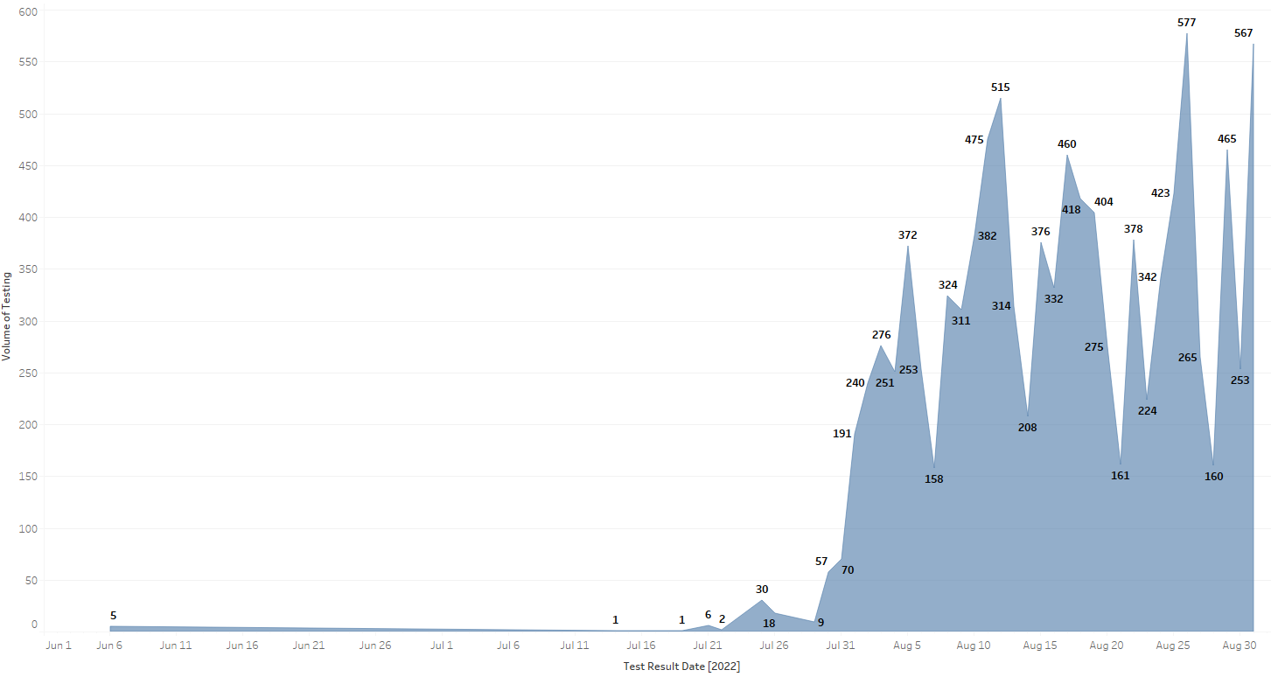
Patient Race Bubble Graph
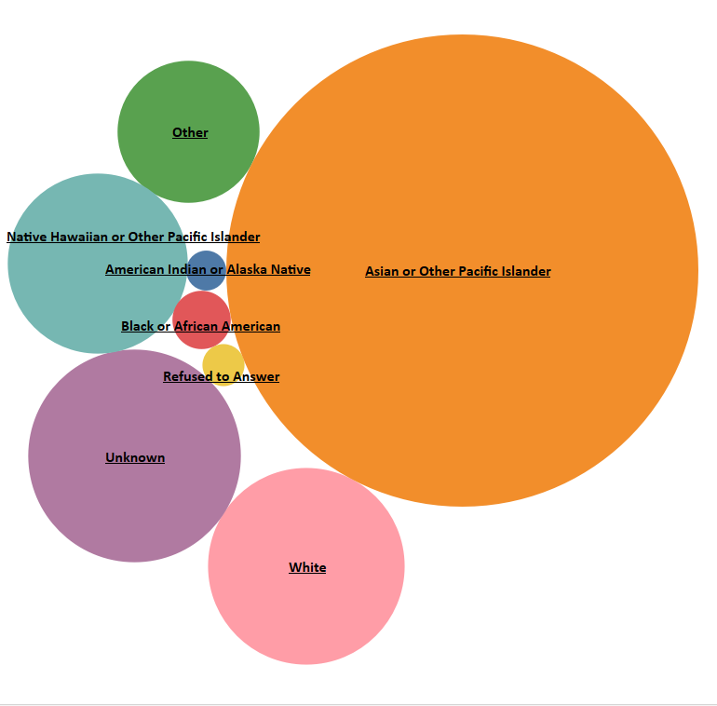

 | LRP Patient Ethnicity Month of August 2022

 |  | Patient Count

 | LRP Patient Race Month of August 2022

 |  | Patient Count

 | LRP Volume of Testing by Day Month of August 2022

